How to Map
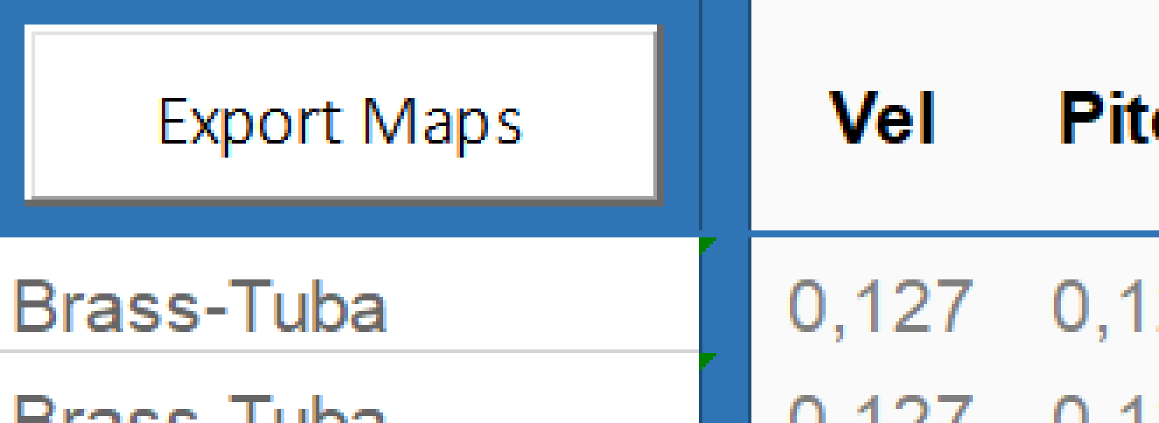
Use these defaults or your own, but don't leave bolded fields empty! | See column header comments for more info.
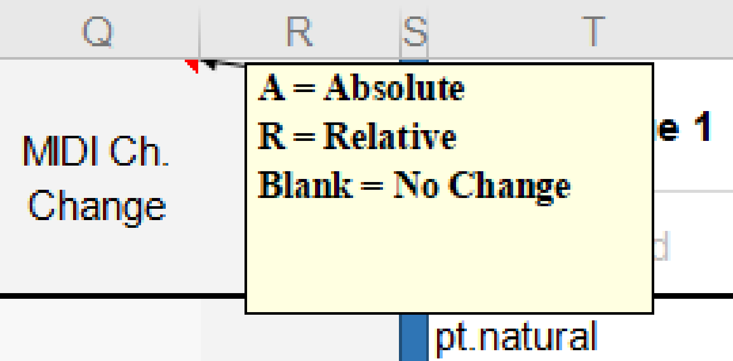

At simplest, if you copy-paste map names and the default values, all a map needs is a technique and what action triggers it.

Create this folder "c:/maps/" on your computer, then click "Export Maps". After a few seconds the maps will be saved.

